Sheet1
S.No | Component Image | Component Name | Value | Type | Symbol | No of terminals | Polarity | Package type | Use
1 | 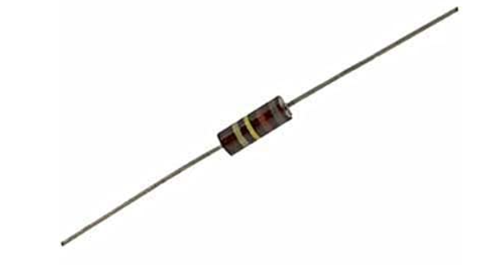 | Carbon Composition Resistor | 1 Ω to 22 MΩ | Passive, Fixed resistor |  | 2 | Non-polarized | Axial leaded | Used in general-purpose electronic circuits Used where high pulse handling is required Used in RF and audio circuits (older designs)
2 | 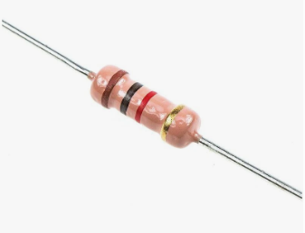 | Carbon Film Resistor | 10 Ω to 10 MΩ | Passive, Fixed resistor |  | 2 | Non-polarized | Axial leaded | Used in consumer electronics (TV, radio, chargers) Used in signal conditioning circuits Used for current limiting applications
3 | 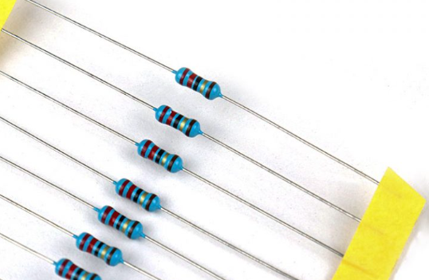 | Metal Film Resistor | 1 Ω to 10 MΩ | Passive, Fixed resistor |  | 2 | Non-polarized | Axial leaded/ SMD | Used in precision circuits due to low tolerance Used in instrumentation and measurement circuits Used in audio amplifiers for low noise
4 |  | Metal Oxide Resistor | 1 Ω to 1 MΩ | Passive, Fixed resistor |  | 2 | Non-polarized | Axial leaded/ SMD | Used in high-temperature environments Used in power supplies Used in surge and overload protection circuits
5 | 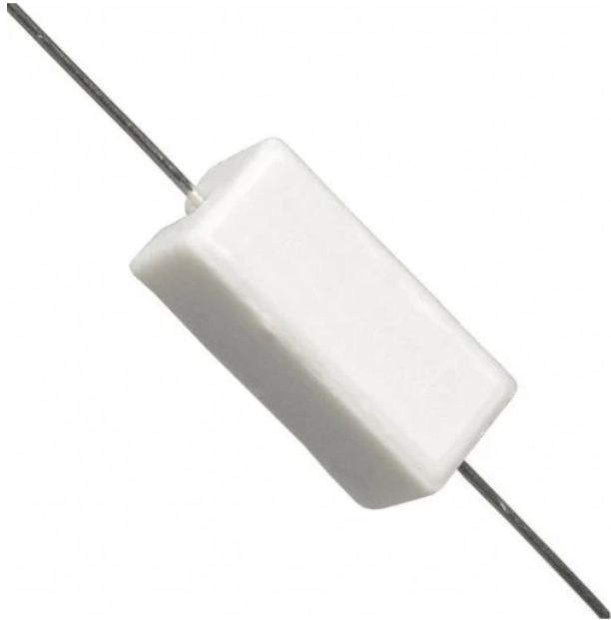 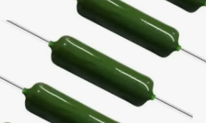 | Wire Wound Resistor | 0.1 Ω to 100 kΩ | Passive, Fixed resistor |  | 2 | Non-polarized | Cemented / Ceramic / Aluminum-housed | Used in high power applications Used as load resistors Used in motor control circuit
6 | 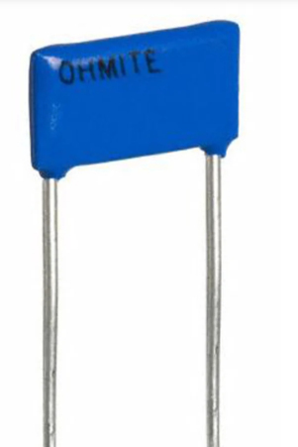 | Thick & Thin Film Resistor | 1 Ω to 10 MΩ | Passive, Fixed resistor |  | 2 | Non-polarized | SMD (Chip resistor) | Used in integrated circuits and hybrid circuits Used in high-frequency applications Used in precision SMD electronic boards
7 | 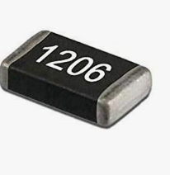 | SMD (Surface Mount) Resistor | 1 Ω to 10 MΩ | Passive, Fixed resistor |  | 2 | Non-polarized | SMD (0201, 0402, 0603, 0805, 1206) | Used in compact electronic devices Used in mobile phones and laptops Used in high-density PCB designs
8 | 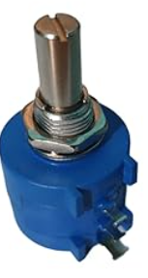 | Rotary Potentiometer | 100 Ω to 1 MΩ | Passive, Variable resistor |  | 3 | Non-polarized | Panel mount / PCB mount | Used for volume control in audio systems Used for brightness control Used for speed control in small devices
9 | 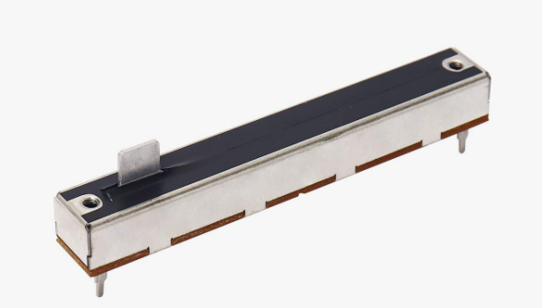 | Linear (Slide) Potentiometer | 100 Ω to 1 MΩ | Passive, Variable resistor |  | 3 | Non-polarized | Panel mount / PCB mount | Used in audio mixers Used in equalizers Used for position-based control systems
10 | 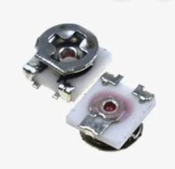 | Trimmer Potentiometer (Preset) | 100 Ω to 1 MΩ | Passive, Variable resistor |  | 3 | Non-polarized | PCB mount (horizontal / vertical) | Used for calibration of circuits Used to fine-tune voltage or current Used in sensor adjustment circuits
11 | 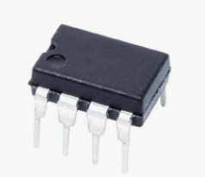 | Digital Potentiometer | 1 kΩ to 1 MΩ | Active, Variable resistor |  | 3 (A, W, B) + control pins | Non-polarized | DIP / SOIC / TSSOP | Used in microcontroller-based systems Used for digital volume control Used in programmable gain control circuits
12 | 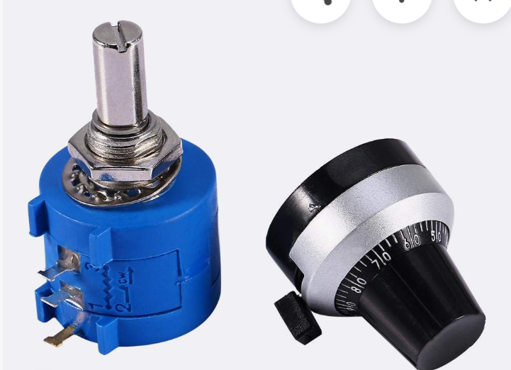 | Wire Wound Potentiometer | 1 Ω to 100 kΩ | Passive, Variable resistor |  | 3 | Non-polarized | Panel mount / Ceramic / Metal housing | Used in high current control circuits Used in industrial control systems Used in laboratory equipment
13 | 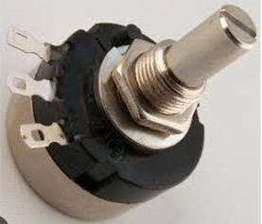 | Carbon Potentiometer | 1 kΩ – 1 MΩ (variable) | Passive, Variable resistor |  | 3 | Non-polarized | Panel mount / PCB mount | Used in audio volume control Used in tone control circuits Used in general-purpose adjustable resistance
14 | 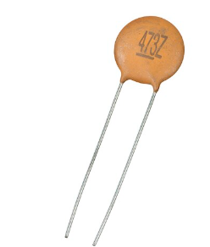 | Ceramic Capacitor | 1pF–1µF | Passive |  | 2 | Non-polarized | Disc / SMD | Noise filtering
15 | 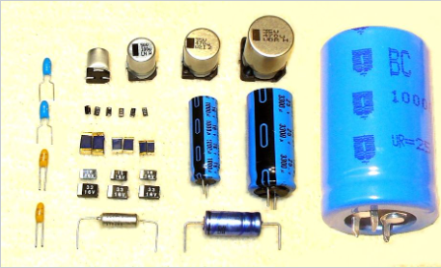 | Electrolytic Capacitor | 0.1µF–10000µF | Passive |  | 2 | Polarized | Radial | Power smoothing
16 | 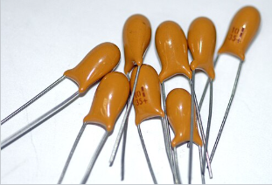 | Tantalum Capacitor | 0.1µF–470µF | Passive |  | 2 | Polarized | SMD | Stable capacitance
17 | 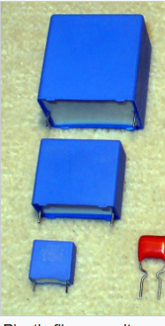 | Film Capacitor | 100pF–100µF | Passive |  | 2 | Non-polarized | Box type | Signal coupling
18 | 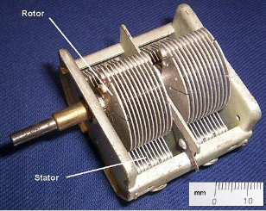 | Variable Capacitor | 10pF–500pF | Passive | 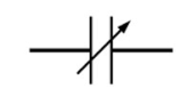 | 2–3 | Non-polarized | Rotary | Tuning circuits
19 | 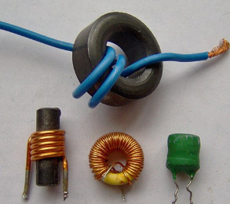 | Inductor | µH–H | Passive |  | 2 | Non-polarized | Axial | Energy storage
20 | 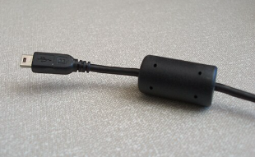 | Ferrite Bead | — | Passive | 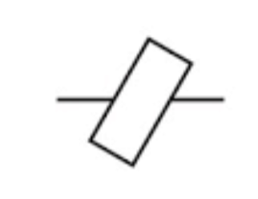 | 2 | Non-polarized | SMD | EMI suppression
21 | 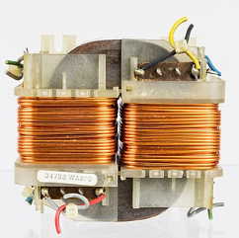 | Transformer | — | Passive |  | 4+ | Non-polarized | Laminated | Voltage conversion
22 | 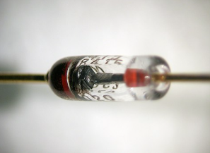 | Diode | — | Active |  | 2 | Polarized | Axial | Rectification
23 | 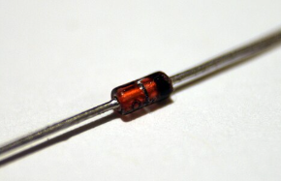 | Zener Diode | 2.7–200V | Active | 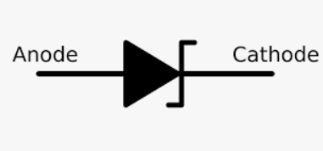 | 2 | Polarized | Axial | Voltage regulation
24 | 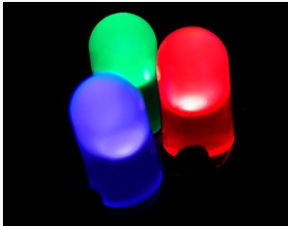 | LED | — | Active | 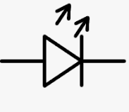 | 2 | Polarized | 5mm / SMD | Indication
25 | 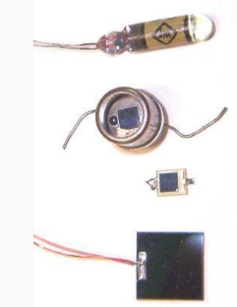 | Photodiode | — | Active | 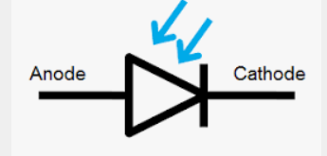 | 2 | Polarized | TO-18 | Light sensing
26 | 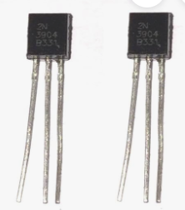 | BJT (NPN/PNP) | — | Active | 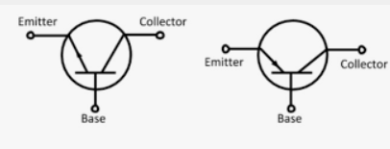 | 3 | Polarized | TO-92 | Amplification
27 | 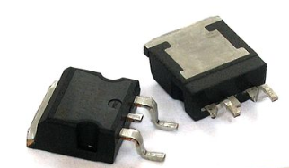 | MOSFET | — | Active | 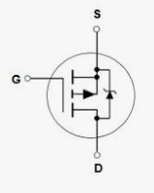 | 3 | Polarized | TO-220 | Power switching
28 | 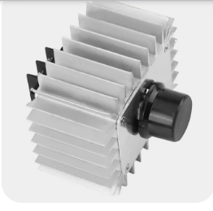 | SCR | — | Active | 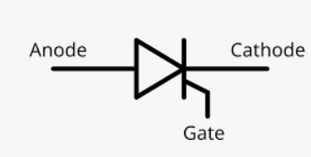 | 3 | Polarized | TO-220 | Controlled rectifier
29 | 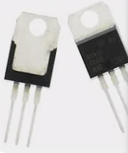 | TRIAC | — | Active | 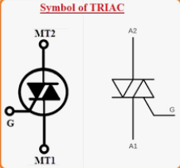 | 3 | Polarized | TO-220 | AC control
30 | 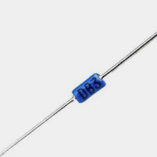 | DIAC | — | Active | 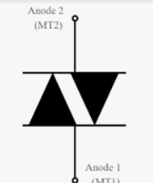 | 2 | Non-polarized | DO-35 | Trigger circuits
31 | 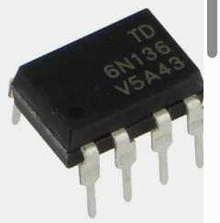 | Optocoupler | — | Active | 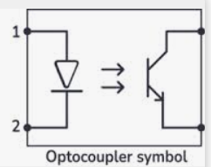 | 4–6 | Polarized | DIP | Isolation
32 | 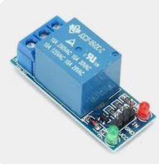 | Relay | — | Electromechanical | 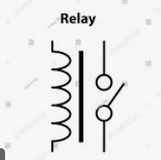 | 4–8 | Polarized | PCB mount | Switching
33 | 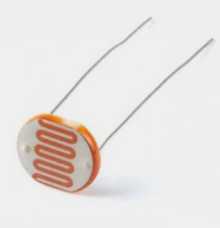 | LDR | — | Passive | 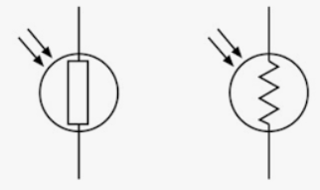 | 2 | Non-polarized | Disc | Light detection
34 | 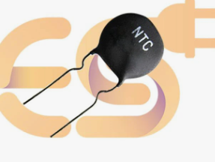 | Thermistor (NTC) | — | Passive | 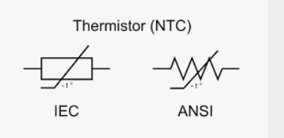 | 2 | Non-polarized | Bead | Temperature sensing
35 | 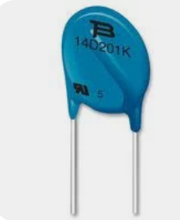 | Varistor (MOV) | — | Passive |  | 2 | Non-polarized | Disc | Surge protection
36 | 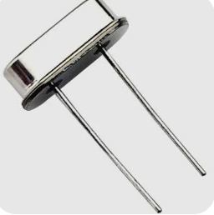 | Crystal Oscillator | 32kHz–20MHz | Passive |  | 2 | Non-polarized | HC-49 | Clock generation
37 |  | IC 555 Timer | — | Active |  | 8 | Polarized | DIP | Timing circuits
38 |  | Op-Amp IC | — | Active |  | 8 | Polarized | DIP / SMD | Signal amplification
39 |  | Logic Gate IC | — | Active |  | 14 | Polarized | DIP | Digital logic
40 |  | Voltage Regulator IC | 5V/12V | Active |  | 3 | Polarized | TO-220 | Voltage regulation
41 |  | Microcontroller | — | Active |  | 20–100 | Polarized | DIP / SMD | Embedded control
42 |  | Push Button Switch | — | Electromechanical |  | 2–4 | Non-polarized | Tactile | User input
43 |  | Toggle Switch | — | Electromechanical |  | 2–3 | Non-polarized | Panel mount | Manual switching
44 |  | Slide Switch | — | Electromechanical |  | 2–3 | Non-polarized | PCB mount | Mode selection
45 |  | Buzzer | — | Electromechanical |  | 2 | Polarized | Cylindrical | Sound alert
46 |  | Speaker | 4Ω–8Ω | Electromechanical |  | 2 | Non-polarized | Enclosure | Audio output
47 |  | DC Motor | — | Electromechanical |  | 2 | Polarized | Shaft type | Motion
48 |  | Stepper Motor | — | Electromechanical |  | 4–6 | Polarized | Flange | Precise motion
49 |  | Servo Motor | — | Electromechanical |  | 3 | Polarized | Box type | Position control
50 |  | Battery | 1.5–12V | Power source |  | 2 | Polarized | Cylindrical | Power supply

